Task 1.3 A)
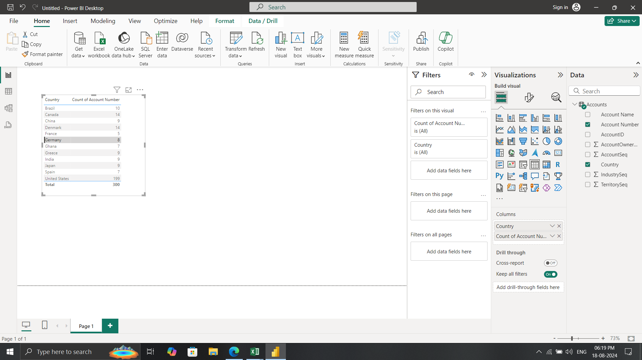
a. Represent the data, which includes the total count of account numbers against the country, in a tabular format

Task 1.3 B)
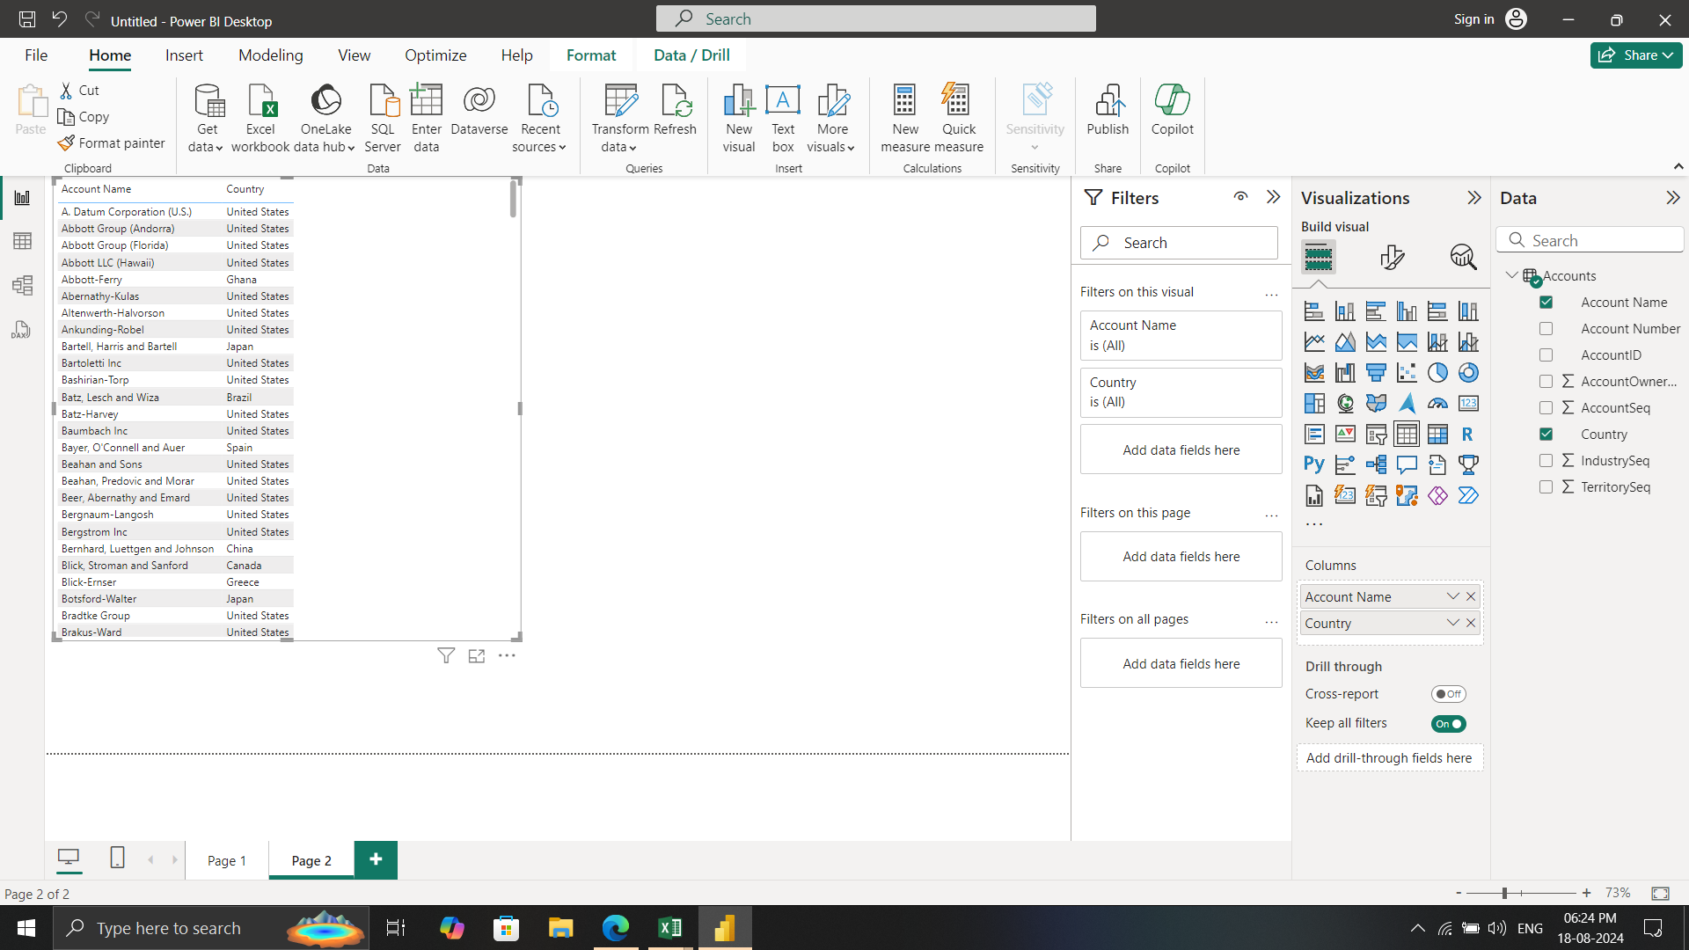
b. Insert another table and represent the data on the country-wise Account holder's name.

Task 1.3 C)
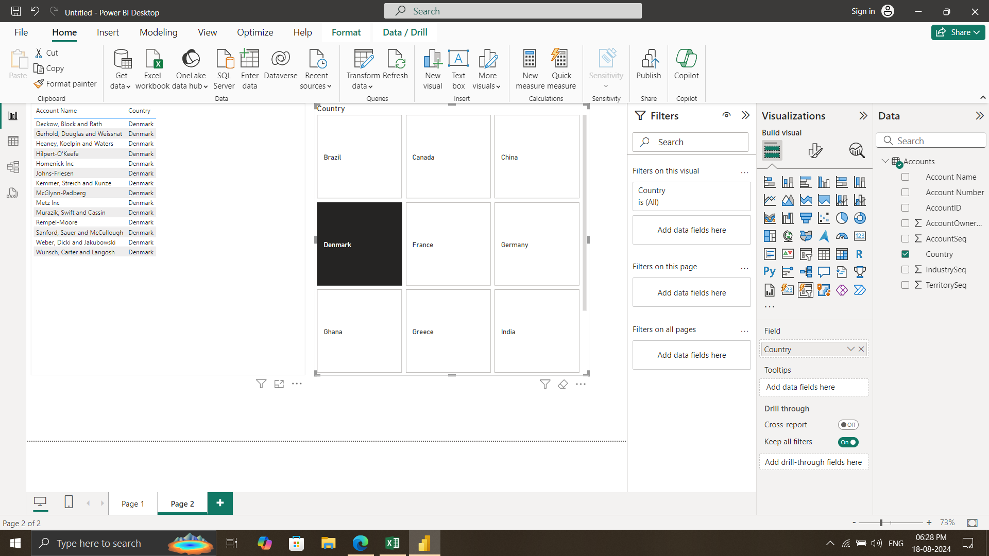
c.Insert a slicer from the visualisation section and add a country-wise filter

Task 1.3 D)
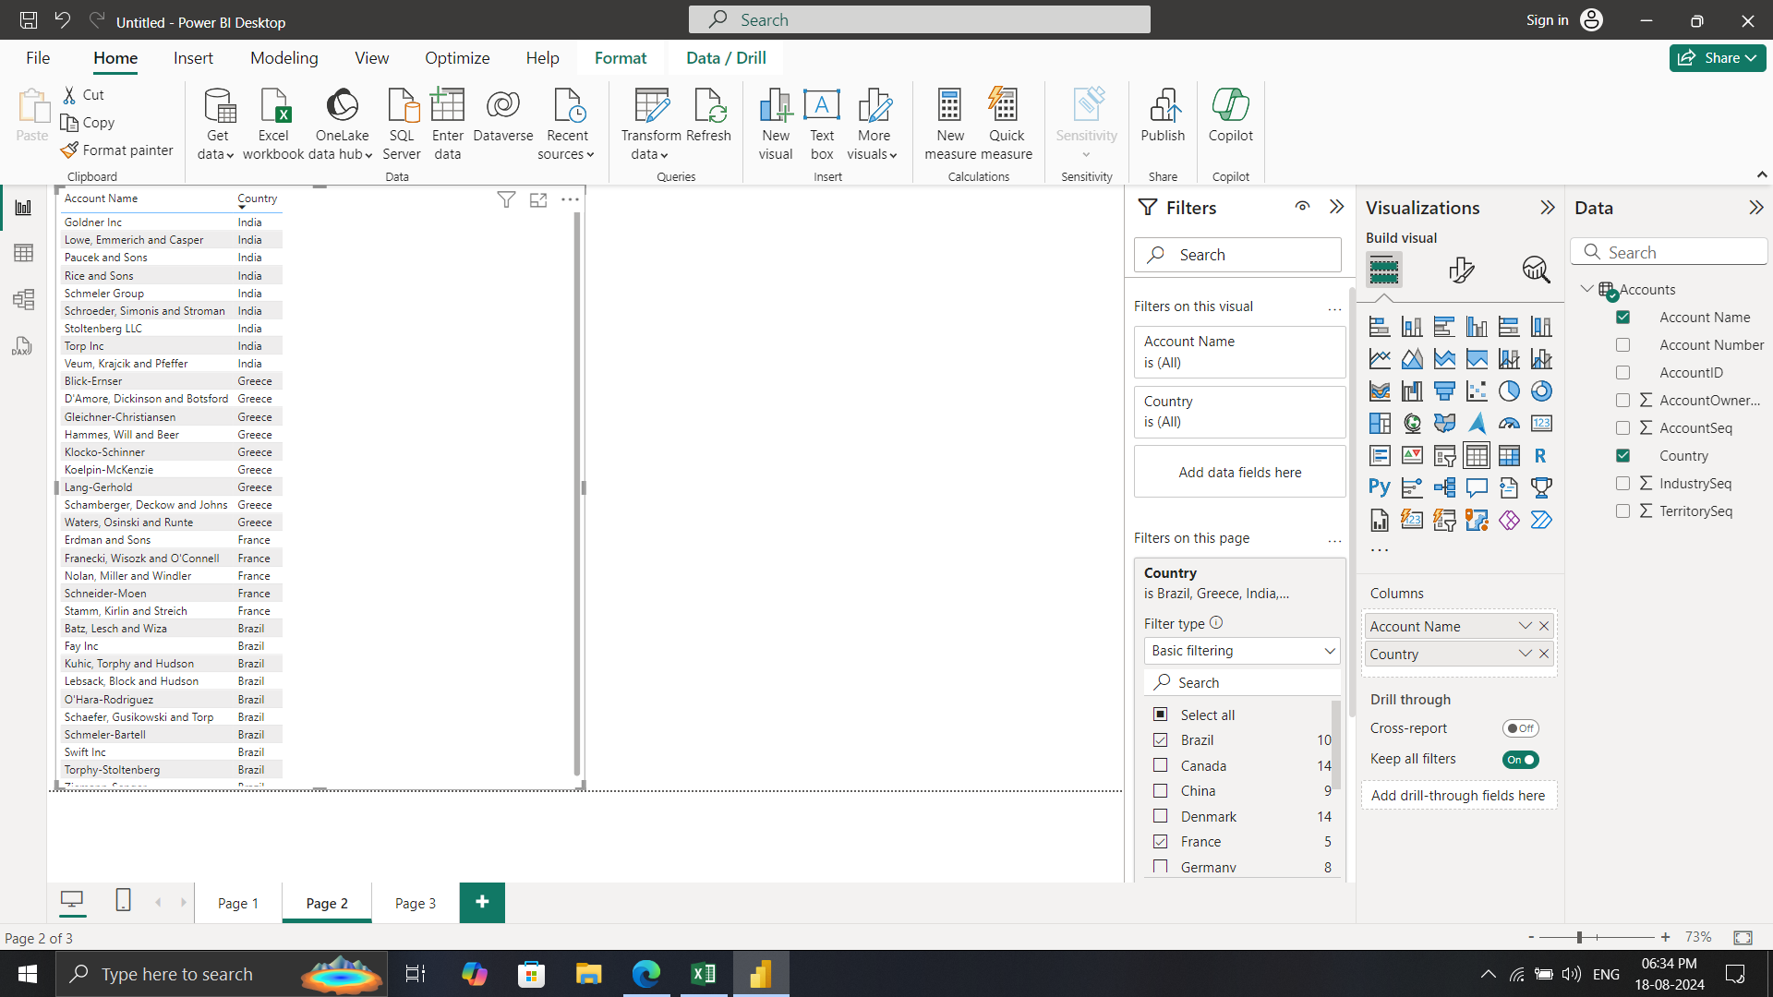
d.Represent the data of India, Brazil, Greece, and France together.

Task 2.2 A)
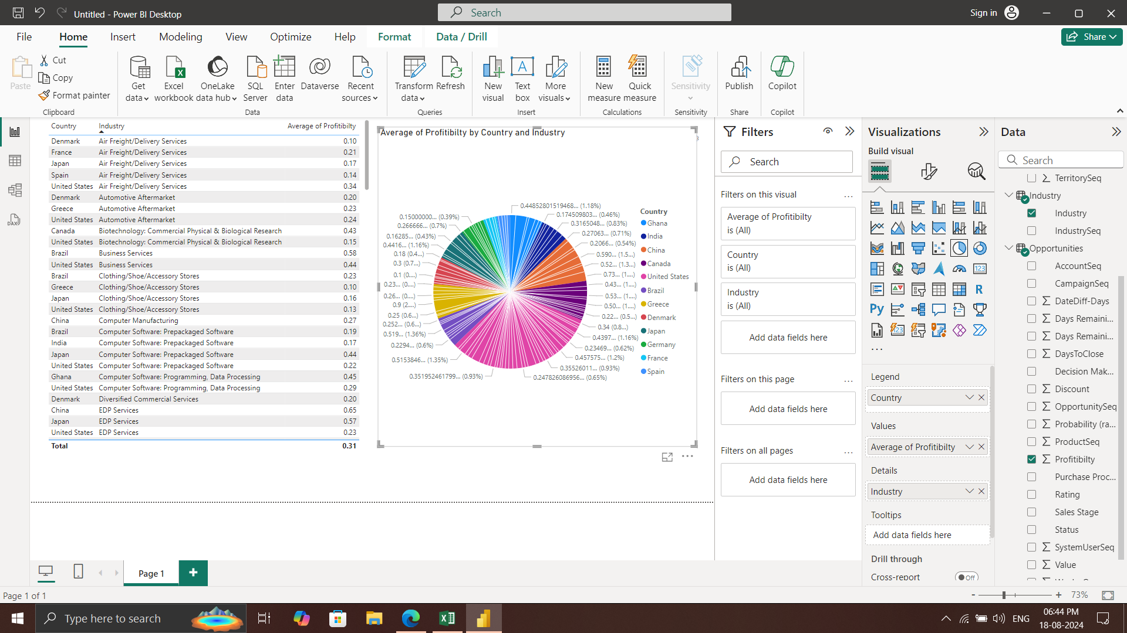
a. Country-wise industry and average profitability margin (in Percentage %)

Task 2.2 B)
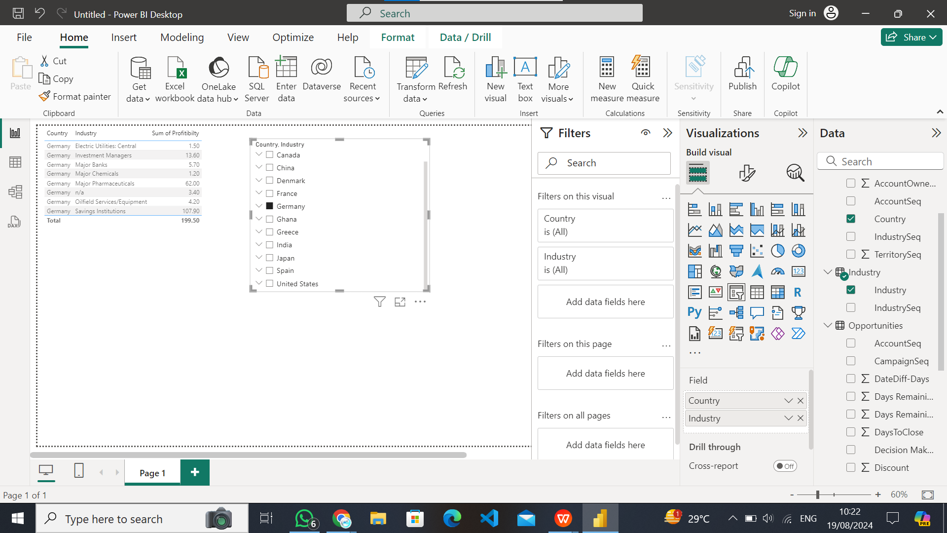
b. Add a separate filter so that country-wise industry and profitability margins can be shown based on the selective countries (There is no bar on country selection).

Task 3.1 A)
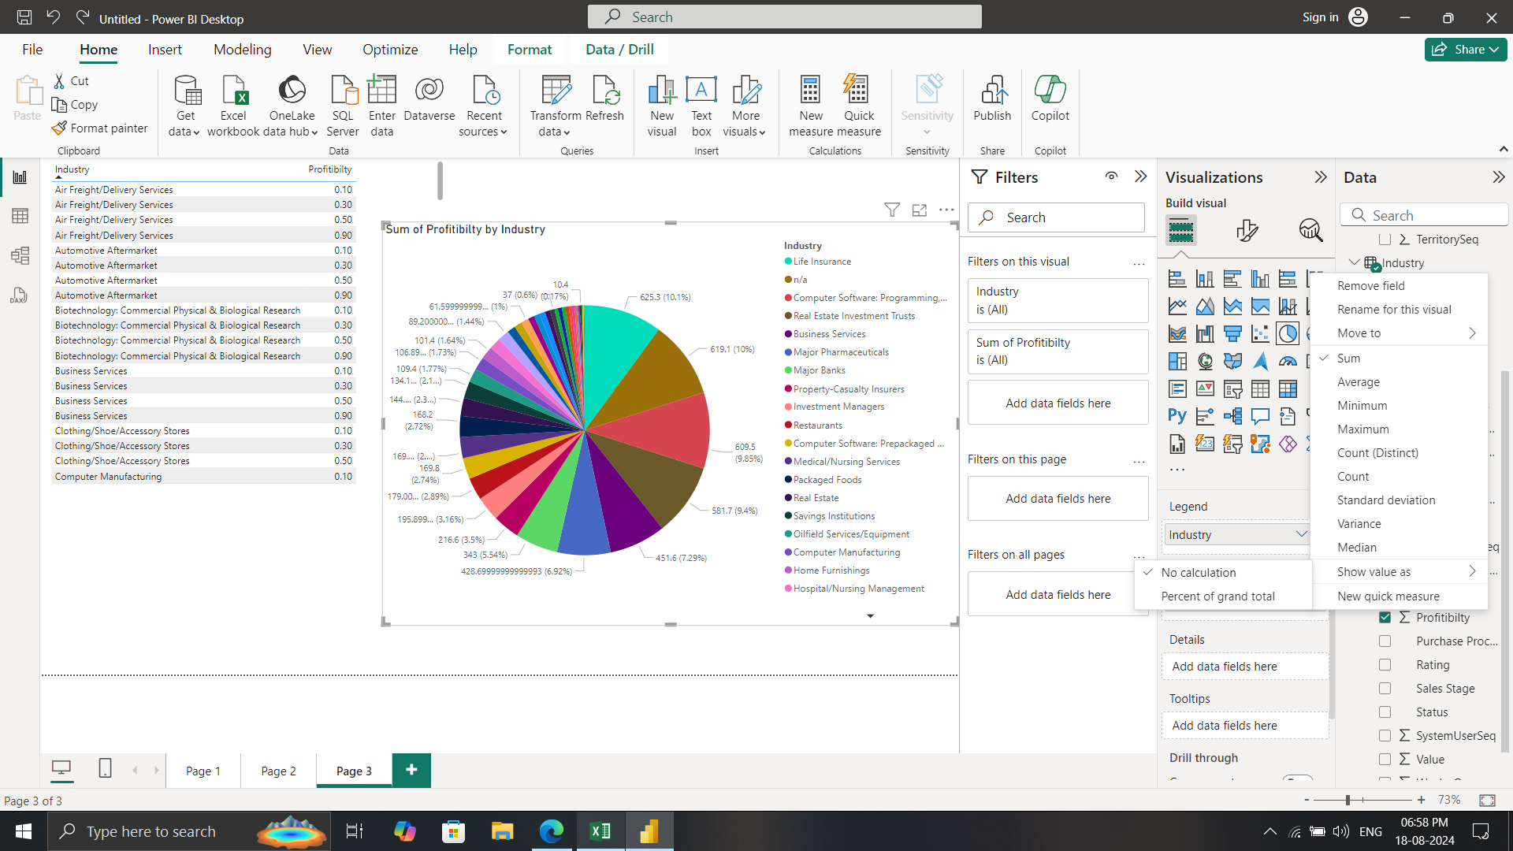
3. Represent the following data using a pie chart: a. Industry-wise profitability percentage

Task 3.1 B)
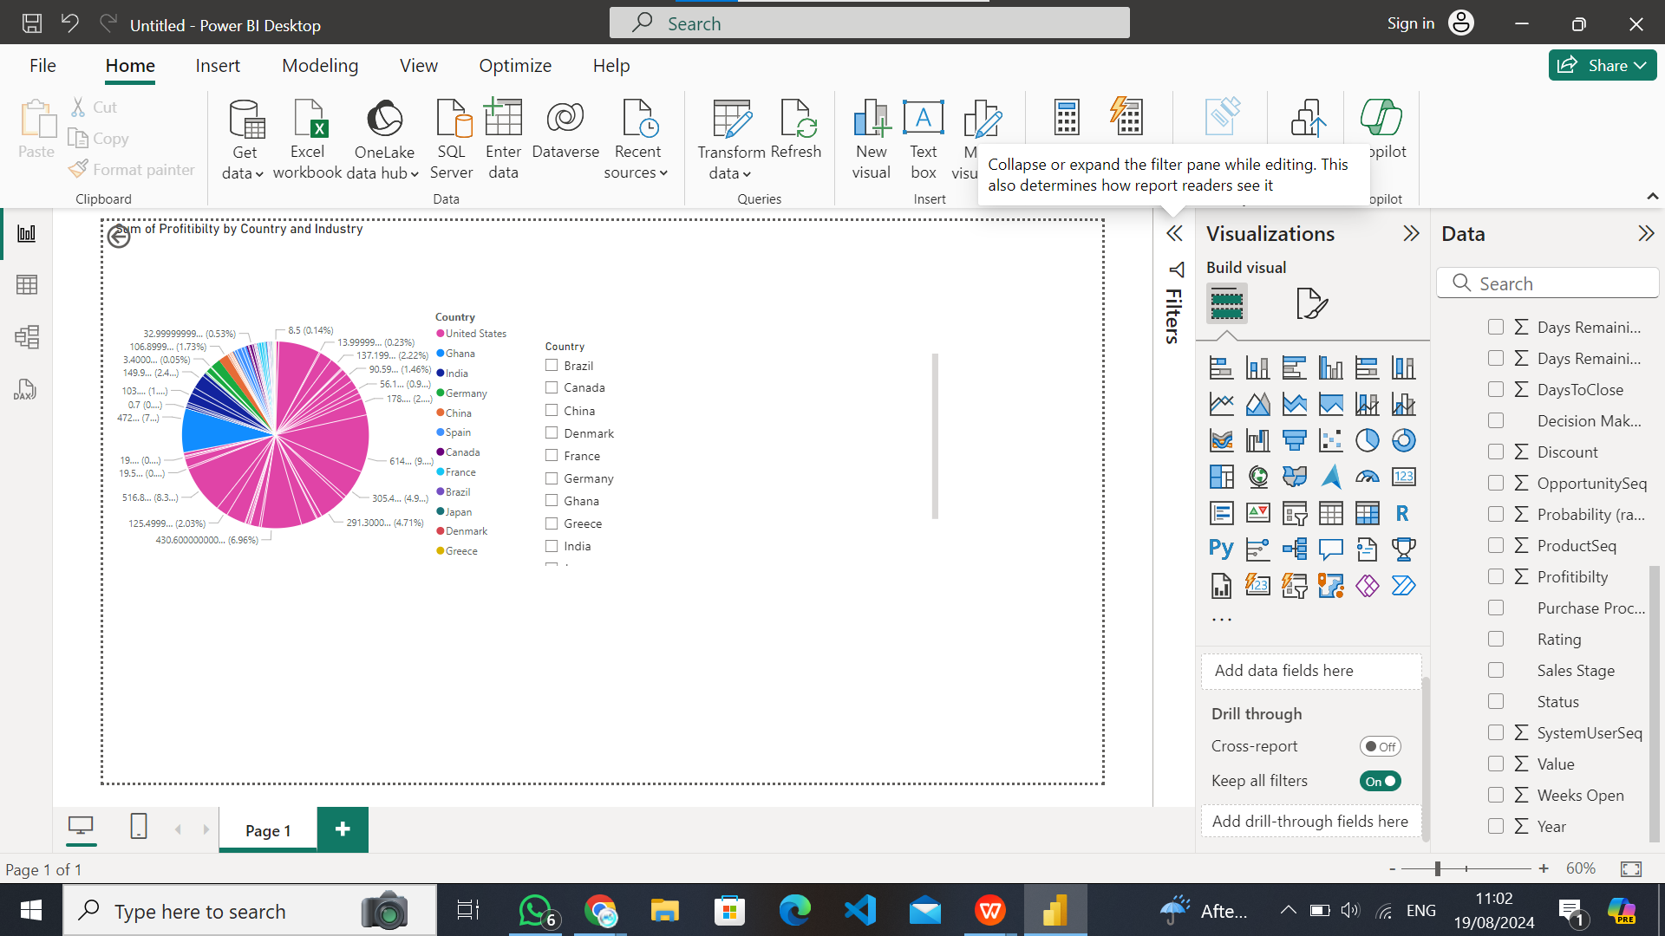
b.the data should be visualised in single or multiple country-wise

Task 4
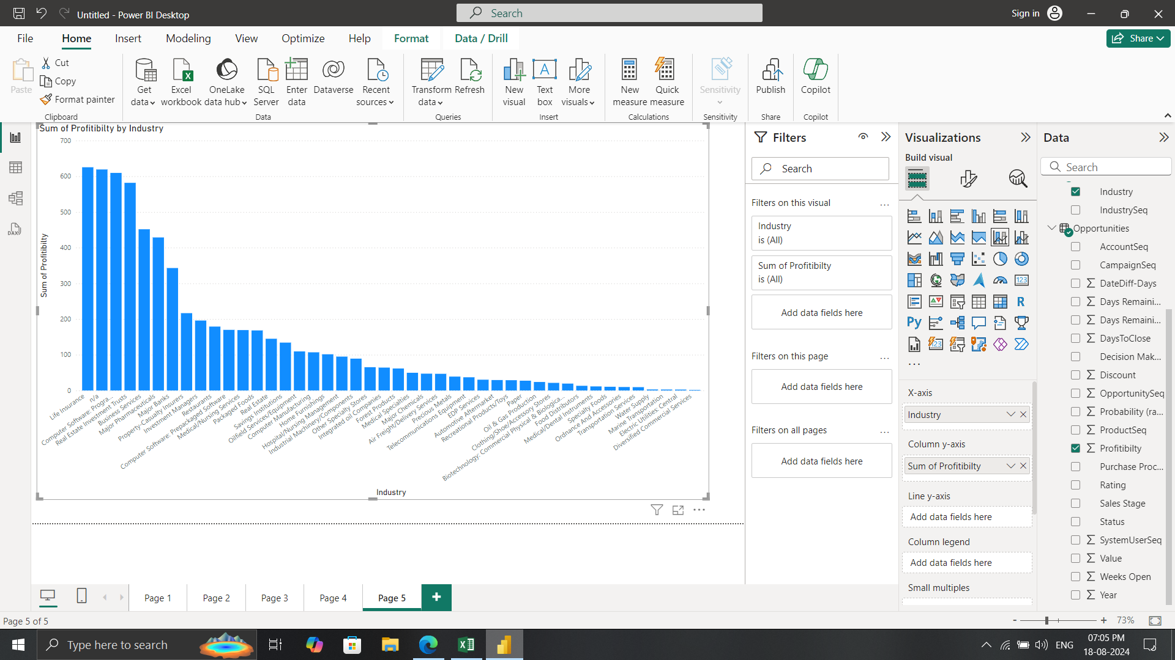
4. Present the data that shows industry-wise profitability trends by taking the Line & stacked column chart from the visualisation section

Task 5
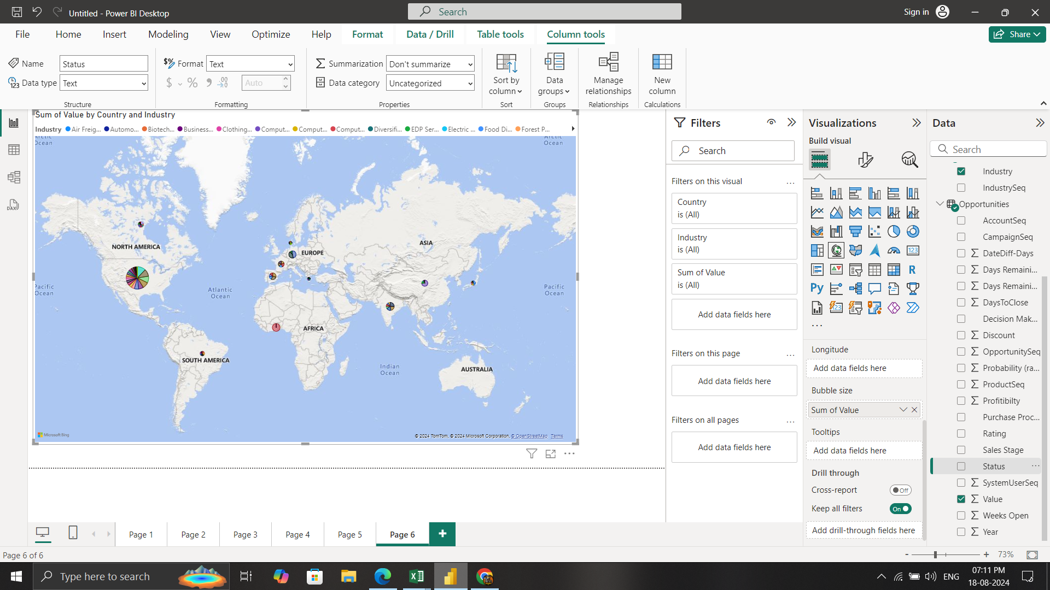
5. Present the data to show country-wise industry market values and industrywise presence by taking the map chart.

